Sheet1
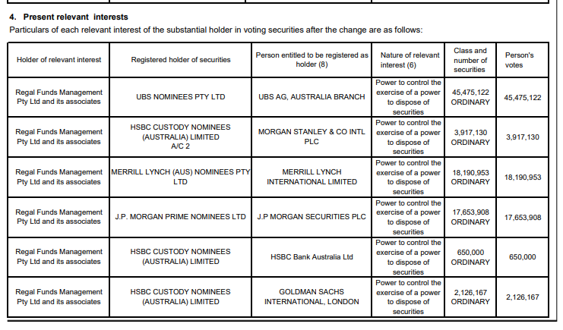
Substaintial Holding
Name | Last Notice | Total Shares | %
Perennial Value Management Limited | 2024-08-16 | 71,743,087 | 5.04
The Bank of New York Mellon Corporation | 2024-10-16 | 210,913,979 | 14.50
JP Morgan Chase % Co and its affiliates | 2025-04-08 | 88,842,091 | 6.08
Insignia Financial Ltd | 2024-09-20 | 147,623,939 | 10.16
Regal Funds Management Pty Ltd | 2025-06-26 | 203,196,083 | 13.91

Shareholders Buying
Name | Date | Bought | Previous % | New %
Regal Funds Management Pty Ltd | 2025-06-26 | 16,113,578 | 12.81 | 13.91
Regal Funds Management Pty Ltd | 2025-04-29 | 15,559,839 | 11.79 | 12.81
JP Morgan Chase & Co and its affiliates | 2025-04-08 | 15,915,520 | 5.01 | 6.08
Regal Funds Management Pty Ltd | 2024-11-14 | 17,658,531 | 10.59 | 11.79
JP Morgan Chase & Co and its affiliates | 2024-11-11 | 72,926,571 |  | 5.01
JP Morgan Chase & Co and its affiliates | 2024-10-15 | 72,896,535 |  | 5.01
Regal Funds Management Pty Ltd | 2024-09-20 | 14,912,651 | 9.57 | 10.59
Insignia Financial Ltd | 2024-09-20 | 19,895,484 | 8.97 | 10.16
JP Morgan Chase & Co and its affiliates | 2024-09-10 | 74,142,637 |  | 5.1
Regal Funds Management Pty Ltd | 2024-07-24 | 17,720,794 | 8.51 | 9.57

Shareholders Selling
Name | Date | Sold | Previous % | New %
JP Morgan Chase & Co and its affiliates | 2024-10-17 | 72,896,535 | 5.01
The Bank of New York Mellon Corporation | 2024-10-16 | 14,757,090 | 15.54 | 14.5
JP Morgan Chase & Co and its affiliates | 2024-09-24 | 74,142,637 | 5.1

Nominees

